Sheet1
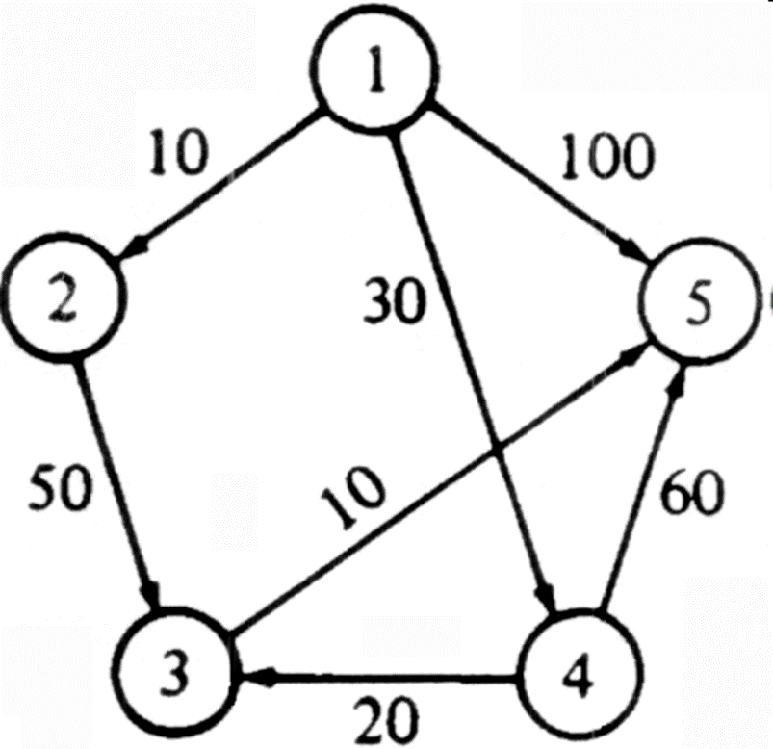
 | 1 | 2 | 3 | 4 | 5
1 |  | 10 | inf | 30 | 100
2 | inf |  | 50 | inf | inf
3 | inf | inf |  | inf | 10
4 | inf | inf | 20 |  | 60 |  |  |  | si D[w]+ costo(w,v) < D[v] hacer
5 | inf | inf | inf | inf |  |  |  |  |  | D[v] = D[w]+ costo(w,v) y P[v] = w

 | i | S | w | D[2] | D[3] | D[4] | D[5] | i | S | w | D[2] | P[2] | D[3] | P[3] | D[4] | P[4] | D[5] | P[5]
 | init | 1 | - | 10 | inf | 30 | 100 | init | 1 | - | 10 | 1 | inf | 1 | 30 | 1 | 100 | 1
 | 1 | 1,2 | 2 | 10 | 60 | 30 | 100 | 1 | 1,2 | 2 | 10 | 1 | 60 | 2 | 30 | 1 | 100 | 1
 | 2 | 1,2,4 | 4 | 10 | 50 | 30 | 90 | 2 | 1,2,4 | 4 | 10 | 1 | 50 | 4 | 30 | 1 | 90 | 4
 | 3 | 1,2,4,3 | 3 | 10 | 50 | 30 | 60 | 3 | 1,2,4,3 | 3 | 10 | 1 | 50 | 4 | 30 | 1 | 60 | 3
 | 4 | 1,2,4,3,5 | 5 | 10 | 50 | 30 | 60 | 4 | 1,2,4,3,5 | 5 | 10 | 1 | 50 | 4 | 30 | 1 | 60 | 3

